Form
PANASONIC SYSTEM NETWORKS VIETNAM CO., LTD
REGISTER FORM FOR FY2025 PROMOTION PROJECT
Name: | Nguyen Nhu Minh | Nominated position: | Supervisor | Section/ Department: ISD | Theme: | Electronic standardization of stamps for IQC & OQC departments
I. CURRENT ISSUES |  |  |  | II. PLAN & TARGET OF THE PROJECT
Background : Overview of the ensure quality system of IQC and OQC departments. |  |  |  | DESCRIBE PROCEDURE FOR IMPLEMENTATION OF ACTION PLAN
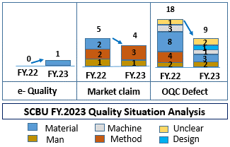
+ The management system is mainly manual and excel, loss time traceability, easy mistake. |  |  |  | ô Issue Job And Schedule To Complete
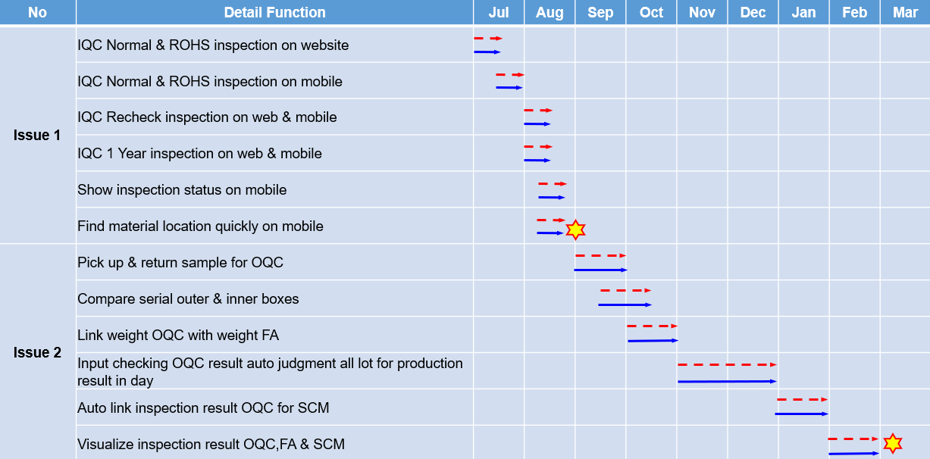
+ The results of inspection process are manually stamped.
- Takes time to find materials and goods to chop stamp.
- Risk: + Wrong packaging pass to market.
+ NG Material can still be storing.
Question: How to don't leak out the error to market?
Issue 1: Input quality control process.
- Incoming inspection QC system is not optimized.
- Loss time to chop stamp and find location.
Solution 1: Electronic standardization of stamps for IQC.
PQC
Sampling
Loss time to chop stamp
NG
SWMS
IQC judgment OK/NG auto judgment All lot
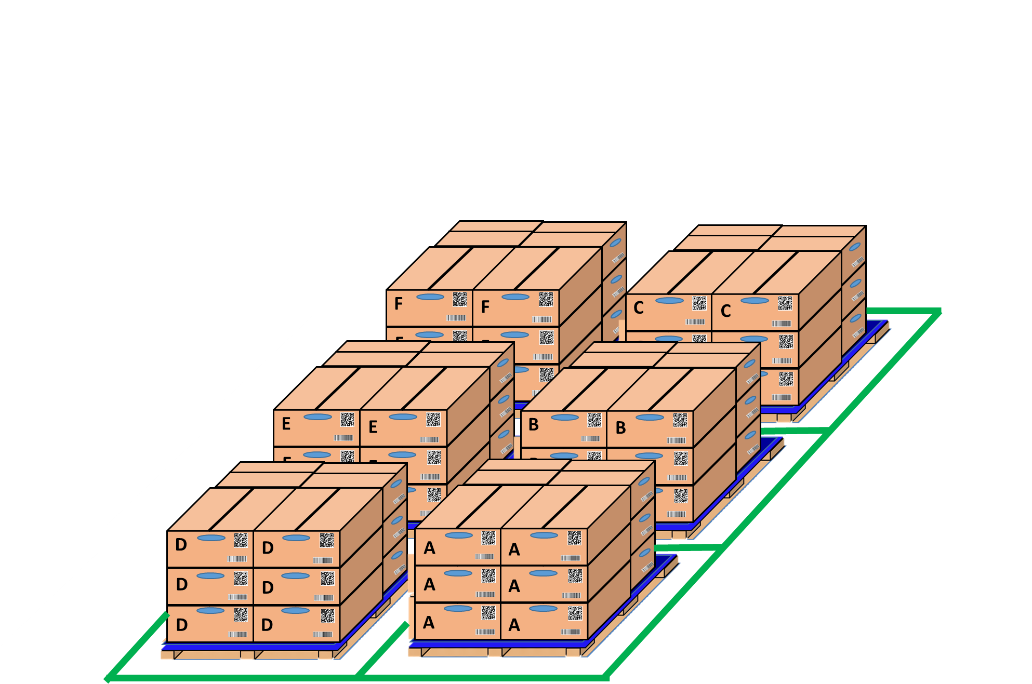
OK
Pick up sample
visualize inspection IQC with MCS
IQC inspection
OK
NG
OK
NG
OK
NG
PQC
OK
Day- Month- Year
OK
PQC
Sampling
PQC
OK
Day- Month- Year
Loss time to chop stamp OK /NG
IQC find location and chop stamp all lot
IQC inspection

IQC inspection results are attached to the receiving card of MCS easy to traceability.

Issue 2: Output quality control process |  |  |  | ôTarget FY2024
- Inspection OQC process is manual and record result by excel file & papper. |  |  |  | POptimize IQC system to ensure input quality.
- Loss time to chop stamp and inspection result OQC no link system FA & SCM. |  |  |  | PStandardize the entire OQC system with software to ensure output quality.
Solution 2: Visualize OQC inspection system by Electronic Stamp |  |  |  | ô Next schedule
Get Sample
Return
OQC soft ware
Line FA
FA shrink pallet ID
 |  |  |  | P For company: Standardize and improve factory manual processes to reduce time and head count.
Shirk Machine
 |  |  |  | P My self: Improve my skills such as communication skills, presentation skills and reporting skills
No Link
No Link
Shirk Machine
 |  |  |  | P My team : Share major technical experience, training support skill and improving spiritual working team.
Production line FA
OQC inspection
FA shrink pallet ID
OQC
OK
Day- Month- Year
Database server
 |  |  |  | III. CONFIRMATION OF SUPERIOR
No Link
WMS system
No Link

OQC find Model, ID pallet, product date to chop stamp
WMS system
OQC
OK
Day- Month- Year
SCM warehouse
FA confrm OQC result by stamp
visualize inspection
Auto online update OQC result & no need chop stamp
Prevent wrong packing leakage out to market

